Table 20
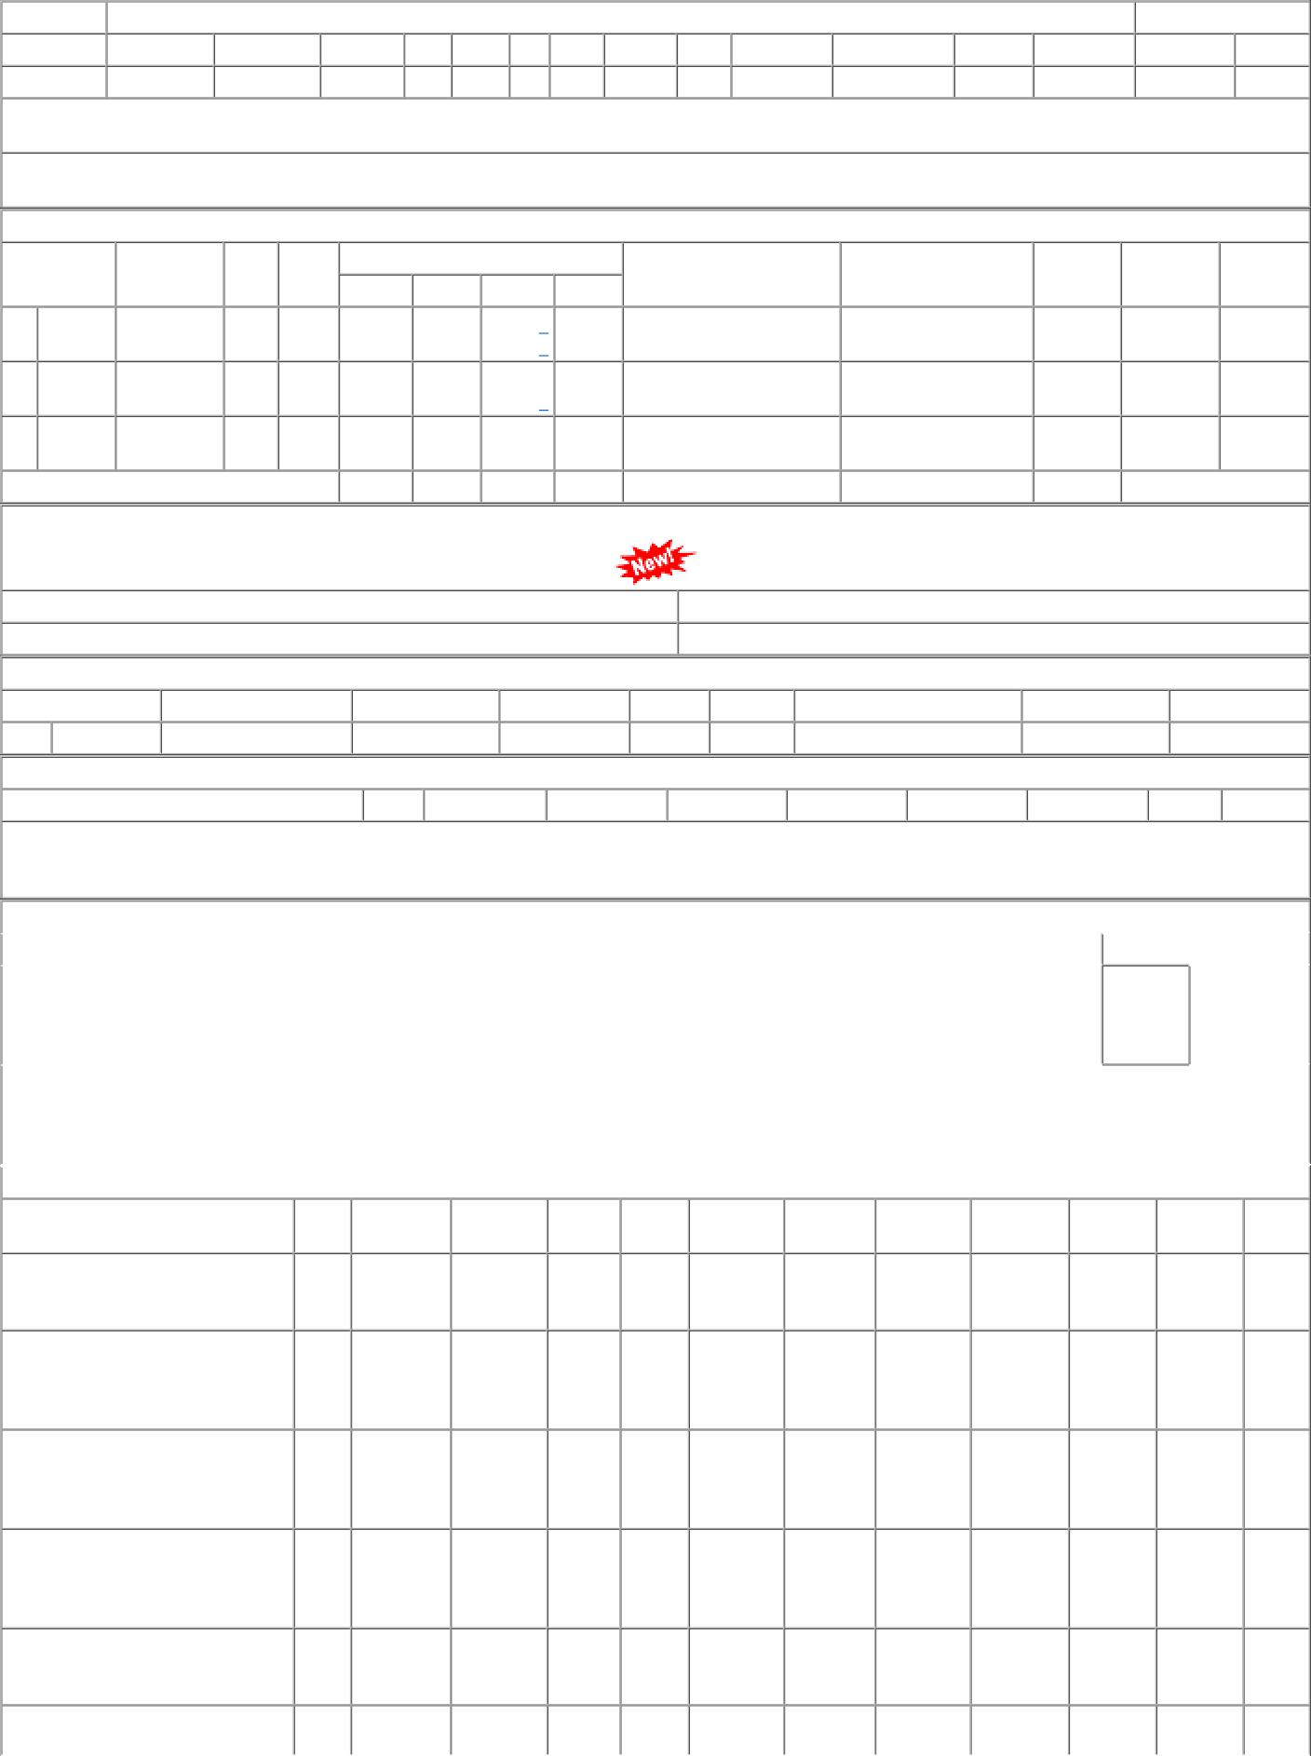
P.O.No.15221047104996 dt.29/09/22 on M/s.POWER ENTERPRISES-BHOPAL PO- CAT:[ Reg ] P.O.No.15221047104995 dt.29/09/22 on M/s.TENEX TRADE LINKS-MOHALI PO- CAT:[ Reg ] P.O.No.78221158800249 dt.25/06/22 on M/s.Controller of Stores, JAIPUR PO-CAT:[ Reg ] P.O.No.15211047103023 dt.05/07/21 on M/s.KOHINOOR | 001 001 002 001 | BVPW PL-CR BVPW PL-CR | 63.12 62.13 33.25 53.76 | 4565 11861 300 2317 | Nos. 0 Nos. 0 Nos. 0 Nos. 0 | 0 0 0 0 0 300 0 2204 | 31/05/23 30/04/23 24/08/22 21/07/22 | 01/04/23 31/05/23 OP 01/04/23 30/04/23 OP 24/08/22 OP 01/04/22 21/07/22 OP

